Sheet2
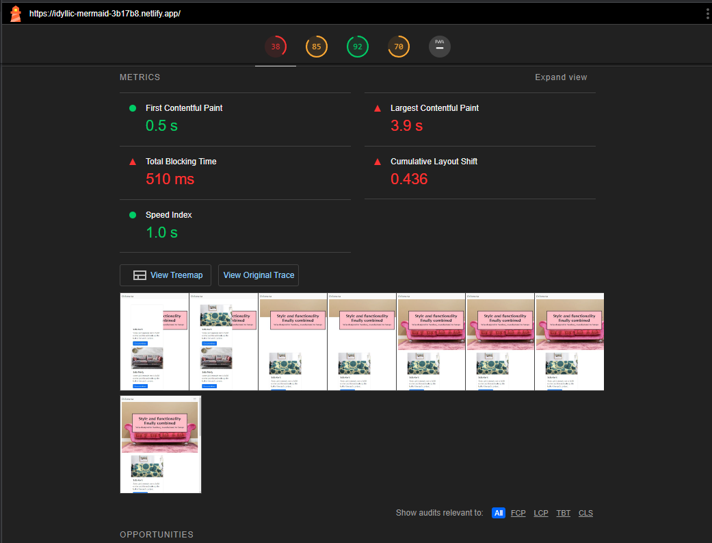
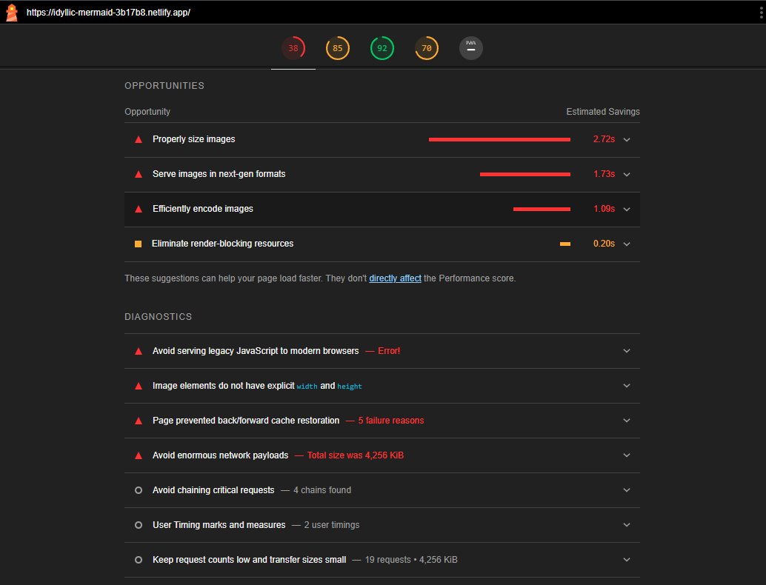
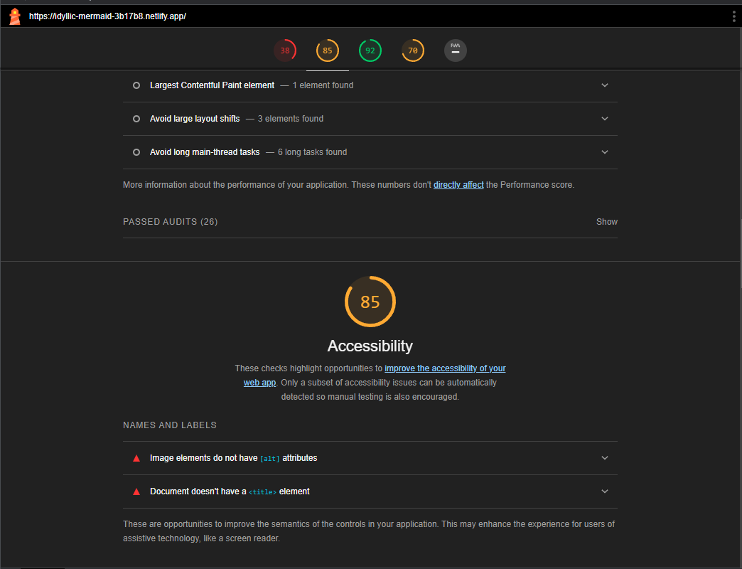
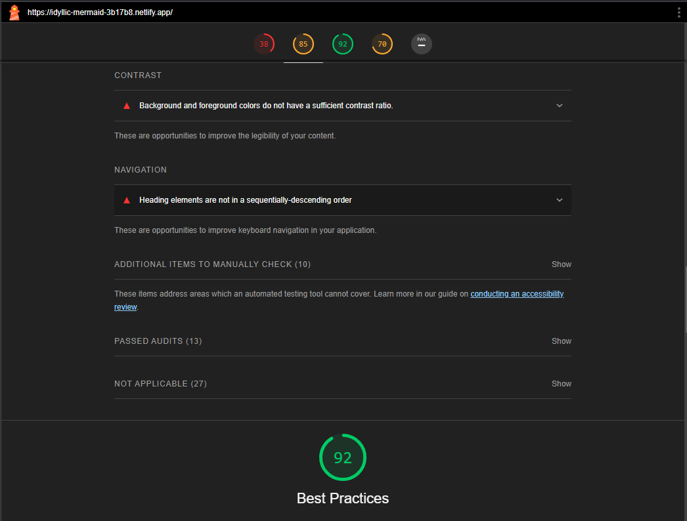
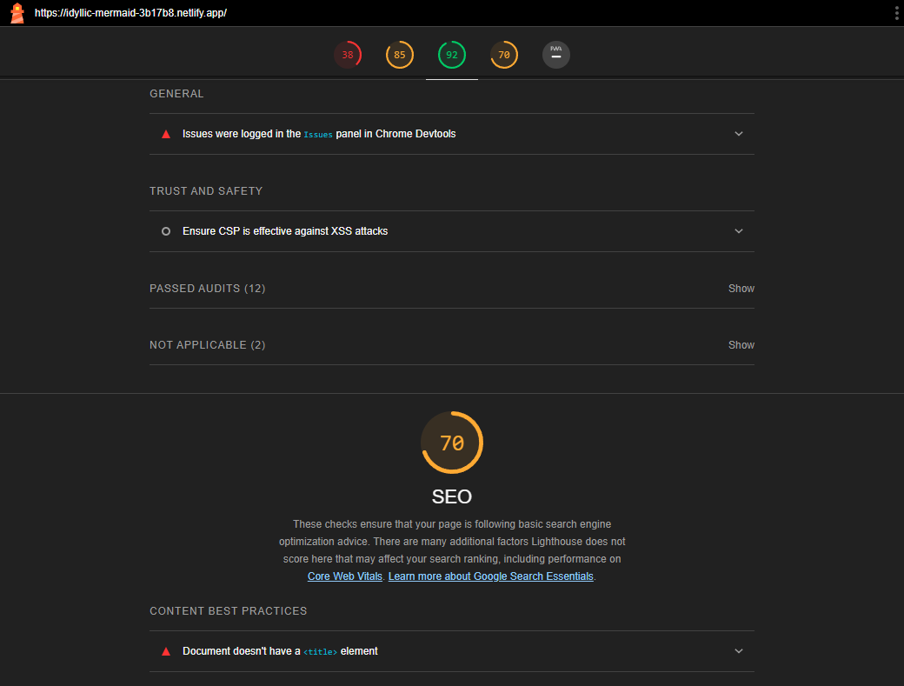
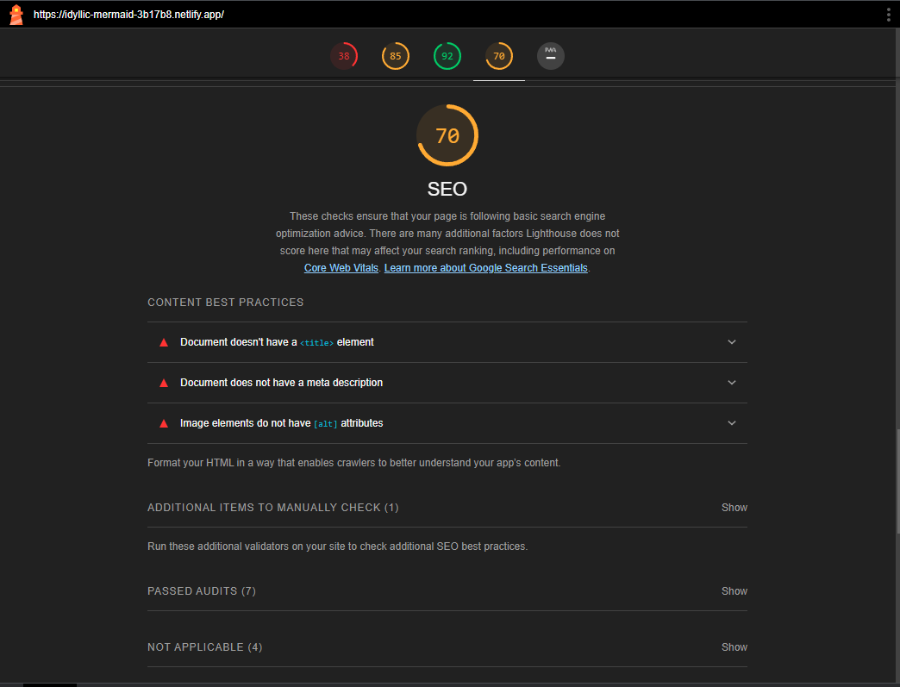
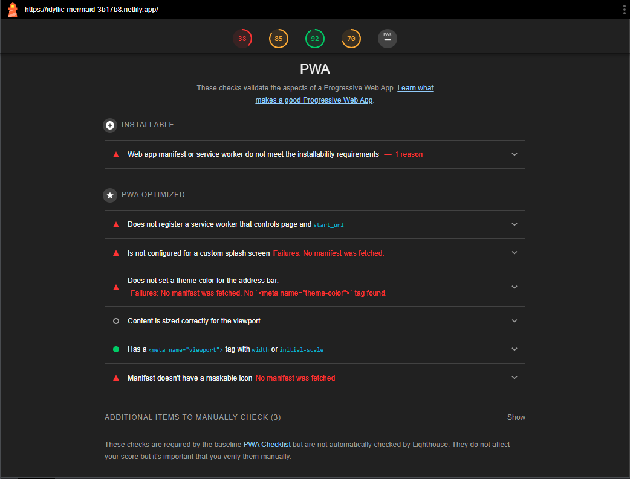
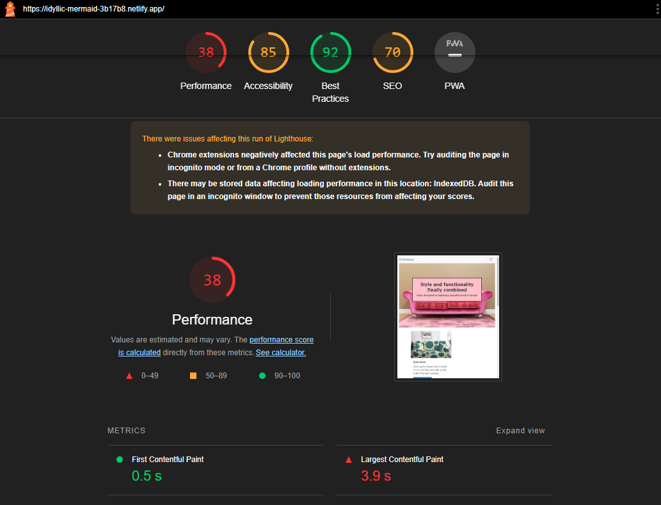
1 | Optimize website speed and performance
 | Findings.
 | Perfomance is 38
 | Serve images in next-gen formats

2 | Implement SSL certificate
 | If no ssl certificate, the sire is not secured. if we are using any website builder, they will provide the ssl certificate. or we are hosting in some cloud, we have to take care of that.
3 | Create XML sitemap and submit to search engines
 | XML site map is a file containg all url of the website. This can generate by XML generators.
4 | Mobile responsivness
 | The site is not mobile responsive.

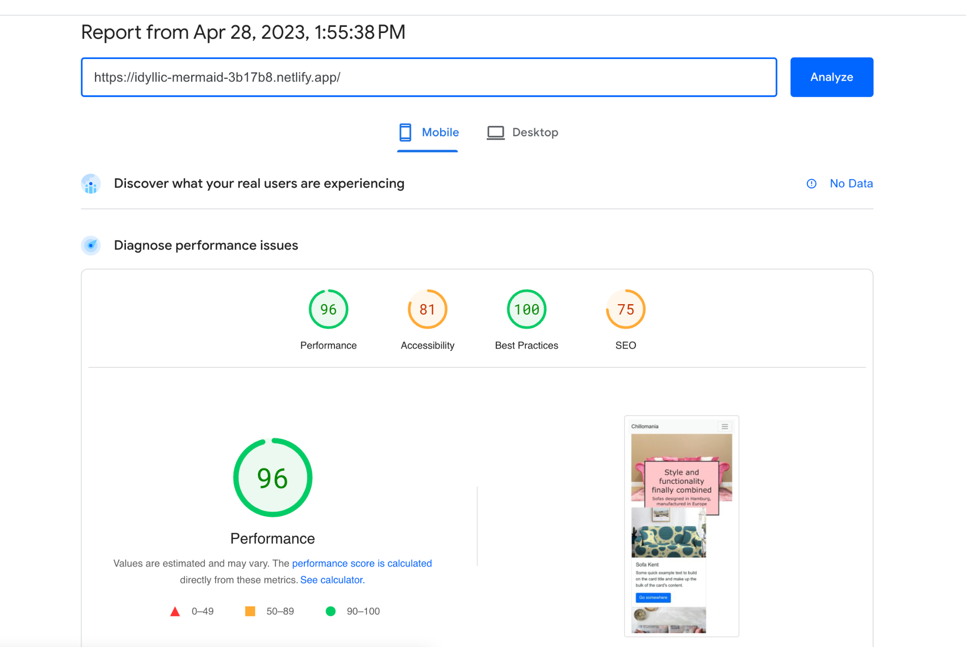

5 | Fix broken links

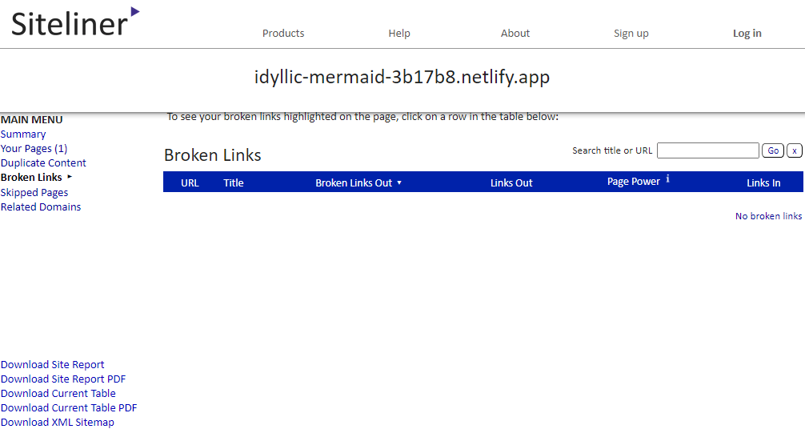

6 | Robot.txt
 | A robots.txt file tells search engine crawlers which URLs the crawler can access on your site. This is used mainly to avoid overloading your site with requests; it is not a mechanism for keeping a web page out of Google.

